Dashboard
Conversion By Channel
 | Partnership | Search Ads | Social Media | Email | Influencer
Total_Conversion | 674637 | 785050 | 843839 | 968607 | 1101374
Top 5 Campaigns wrt Revenue and Return
 | Total_Revenue | Return_metrics
CAMP256 | 136221 | 128.5104
CAMP088 | 142699 | 122.4884
CAMP112 | 154859 | 93.5139
CAMP048 | 108619 | 91.8166
CAMP101 | 96923 | 85.6967
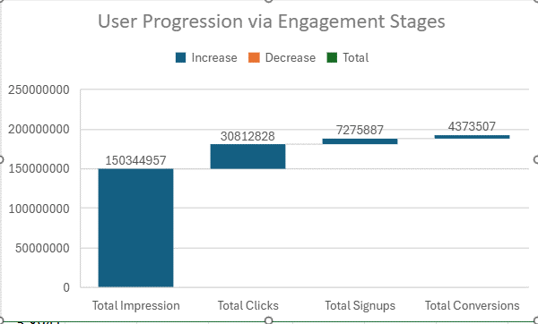 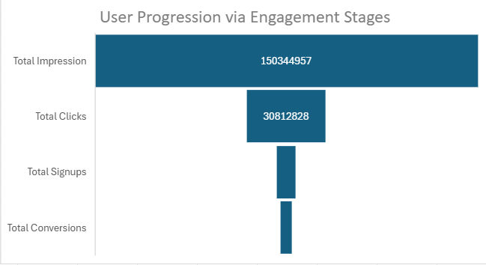

Cumulative Revenue by Channel over Time
 | Email | Influencer | Partnership | Search Ads | Social Media
Jan | 1060056 | 6763761 | 2911762 | 2596436 | 8895604
Feb | 5580970 | 5778775 | 7787327 | 4771540 | 9786565
Mar | 15907354 | 28459956 |  | 8034275 | 26816787
Apr | 49958260 | 52774392 | 23439929 | 40764325 | 10513342
May | 60605824 | 52440809 | 53254250 | 41585566 | 35036501
Jun | 55135928 | 97437193 | 31374208 | 31857642 | 77031645
Jul | 133918647 | 53796533 | 94117561 | 94173580 | 41593320
Aug | 112716902 | 143463225 | 144412169 |  | 46819193
Sep | 53359496 | 53099112 | 53801562 | 69502715 | 35435435
Oct | 78110043 | 113360147 | 57026444 | 116870502 | 37884800
Nov | 106644884 | 193026138 | 106265519 | 103898316 | 126603680
Dec | 285791413 | 95213971 | 141806240 | 143418791 | 170337322
High Returns Campaigns
 | Total
CAMP031 | 153279
CAMP042 | 159646
CAMP079 | 158601
CAMP085 | 153441
CAMP097 | 163169
CAMP112 | 154859
CAMP113 | 155492
CAMP129 | 147127
CAMP267 | 149959
CAMP291 | 154259

Conversion By Channel
Conversion By Channel
Channel | Total_Conversion
Partnership | 674637
Search Ads | 785050
Social Media | 843839
Email | 968607
Influencer | 1101374

Top Campaigns
Top 5 Campaigns wrt Revenue and Return
Campaign_ID | Total_Revenue | Return_metrics
CAMP256 | 136221 | 128.5104
CAMP088 | 142699 | 122.4884
CAMP112 | 154859 | 93.5139
CAMP048 | 108619 | 91.8166
CAMP101 | 96923 | 85.6967

Cum Revenue wrt Channel
Cumulative Revenue by Channel over Time
 | Email | Influencer | Partnership | Search Ads | Social Media
Jan | 1060056 | 6763761 | 2911762 | 2596436 | 8895604
Feb | 5580970 | 5778775 | 7787327 | 4771540 | 9786565
Mar | 15907354 | 28459956 |  | 8034275 | 26816787
Apr | 49958260 | 52774392 | 23439929 | 40764325 | 10513342
May | 60605824 | 52440809 | 53254250 | 41585566 | 35036501
Jun | 55135928 | 97437193 | 31374208 | 31857642 | 77031645
Jul | 133918647 | 53796533 | 94117561 | 94173580 | 41593320
Aug | 112716902 | 143463225 | 144412169 |  | 46819193
Sep | 53359496 | 53099112 | 53801562 | 69502715 | 35435435
Oct | 78110043 | 113360147 | 57026444 | 116870502 | 37884800
Nov | 106644884 | 193026138 | 106265519 | 103898316 | 126603680
Dec | 285791413 | 95213971 | 141806240 | 143418791 | 170337322
Sum of Cummulative_Revenue | Column Labels
Row Labels | Email | Influencer | Partnership | Search Ads | Social Media | Grand Total
Jan | 1060056 | 6763761 | 2911762 | 2596436 | 8895604 | 22227619
Feb | 5580970 | 5778775 | 7787327 | 4771540 | 9786565 | 33705177
Mar | 15907354 | 28459956 |  | 8034275 | 26816787 | 79218372
Apr | 49958260 | 52774392 | 23439929 | 40764325 | 10513342 | 177450248
May | 60605824 | 52440809 | 53254250 | 41585566 | 35036501 | 242922950
Jun | 55135928 | 97437193 | 31374208 | 31857642 | 77031645 | 292836616
Jul | 133918647 | 53796533 | 94117561 | 94173580 | 41593320 | 417599641
Aug | 112716902 | 143463225 | 144412169 |  | 46819193 | 447411489
Sep | 53359496 | 53099112 | 53801562 | 69502715 | 35435435 | 265198320
Oct | 78110043 | 113360147 | 57026444 | 116870502 | 37884800 | 403251936
Nov | 106644884 | 193026138 | 106265519 | 103898316 | 126603680 | 636438537
Dec | 285791413 | 95213971 | 141806240 | 143418791 | 170337322 | 836567737
Grand Total | 958789777 | 895614012 | 716196971 | 657473688 | 626754194 | 3854828642

High Returns
High Returns Campaigns
Row Labels | Sum of Total_Revenue
CAMP031 | 153279
CAMP042 | 159646
CAMP079 | 158601
CAMP085 | 153441
CAMP097 | 163169
CAMP112 | 154859
CAMP113 | 155492
CAMP129 | 147127
CAMP267 | 149959
CAMP291 | 154259
Grand Total | 1549832

